Ex9.11
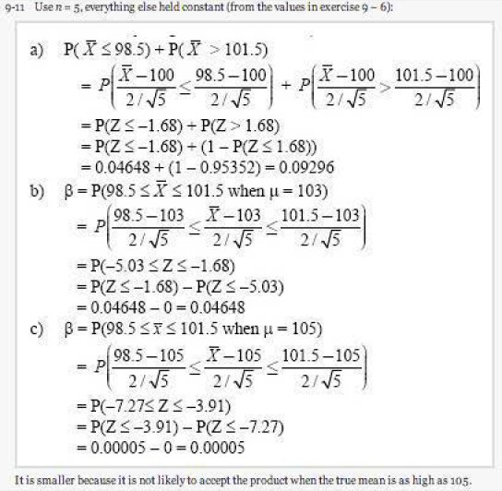
Montgomery, 5th edition, exercise 9.11 |  |  |  | Calculate alpha
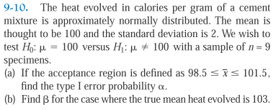
 |  |  |  | a)
 |  |  |  |  | 98.5 | 101.5

 |  |  |  | b)
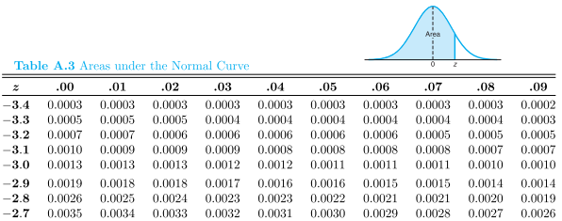
 |  |  |  | beta=

a) cont'd
 |  |  | see below = 0.0465 + (1-0.9535)
= P(t equal or less than | -1.6770509831 | ) = | 0.093
The heat evolved in calories per gram of a cement mixture is approximately normally distributed. The mean is thought to be 100 and the standard deviation is 2. We wish to test H(null): mu = 100 versus H(a): mu not equal to 100 with a sample of n = 5. If the acceptance region is defined as a mean of between 98.5 and 101.5, find the type I error probability of alpha. ans= 0.093

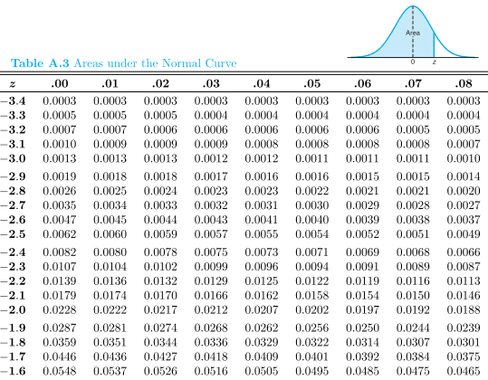

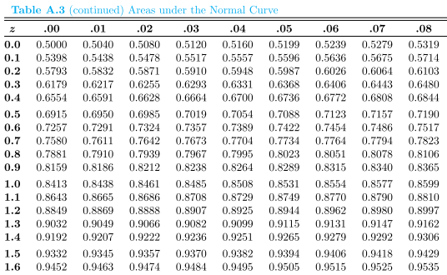

The heat evolved in calories per gram of a cement mixture is approximately normally distributed. The mean is thought to be 100 and the standard deviation is 2. We wish to test H(null): mu = 100 versus H(a): mu not equal to 100 with a sample of n = 5. If the acceptance region is defined as a mean between 98.5 and 101.5, find the type I error probability of beta. ans= 1-0.093 =0.907

 |  |  |  |  | beta= | 0.907

The heat evolved in calories per gram of a cement mixture is approximately normally distributed. The mean is thought to be 100 and the standard deviation is 2. We wish to test H(null): mu = 100 versus H(a): mu not equal to 100 with a sample of n = 5. If the acceptance region is defined as a mean more than 98.5, find the type I error probability of alpha. ans= 0.0465
 |  |  |  |  | alpha= | 0.0465

The heat evolved in calories per gram of a cement mixture is approximately normally distributed. The mean is thought to be 100 and the standard deviation is 2. We wish to test H(null): mu = 100 versus H(a): mu not equal to 100 with a sample of n = 5. If the acceptance region is defined as a mean of between 98.5 and 101.5, find the calculated t of these data. ans= -1.67705

Example10.1
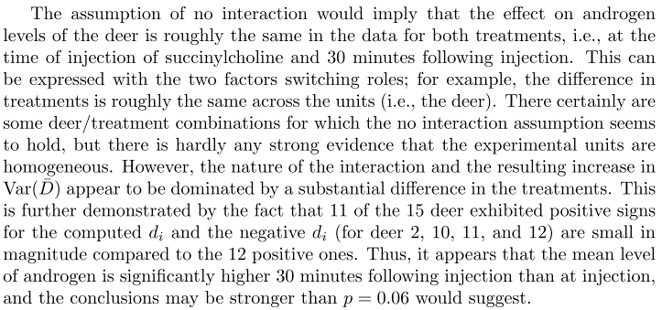
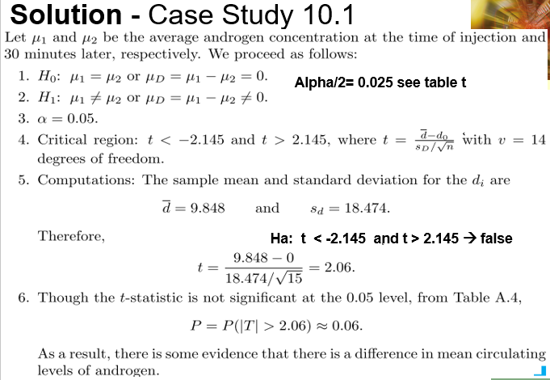
Solution - Case Study 10.1
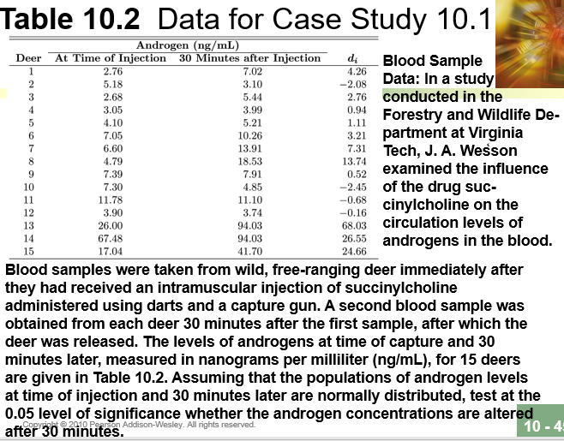
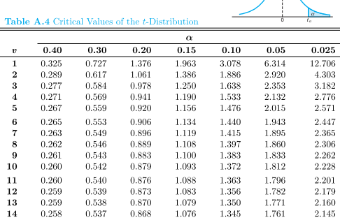
Alpha/2= 0.025 see table t

2.201 | 2.228
2.145 | 2.145
0.056 | 0.083

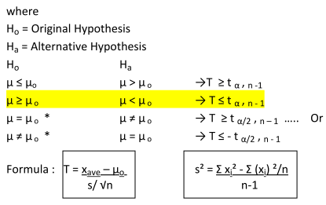
From pdf – formula table

Example2
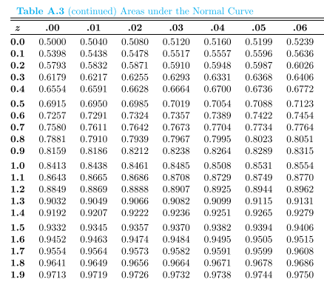
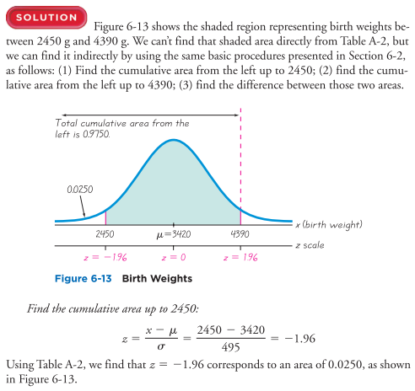
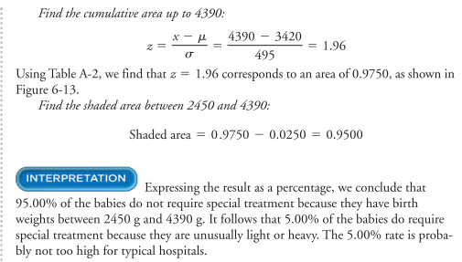
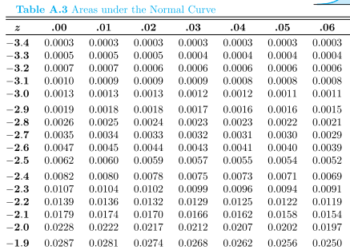
Example from Chp 6 Triola

Example3
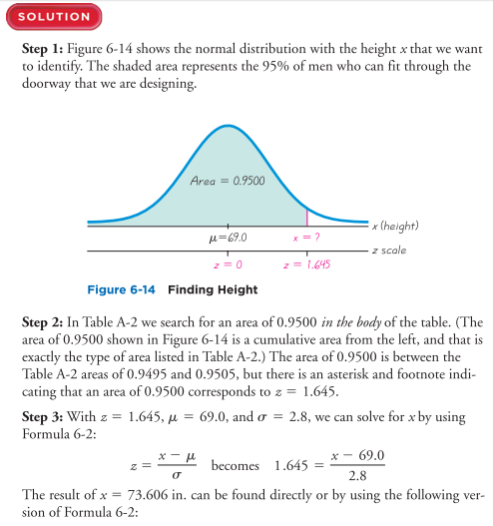
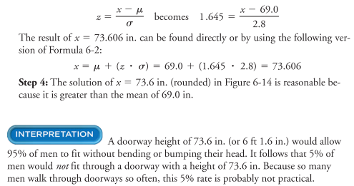
Example from Chp 6 Triola

Example1
Example from Chp 6 Triola

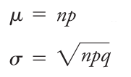
Use

